AZURE pipelines
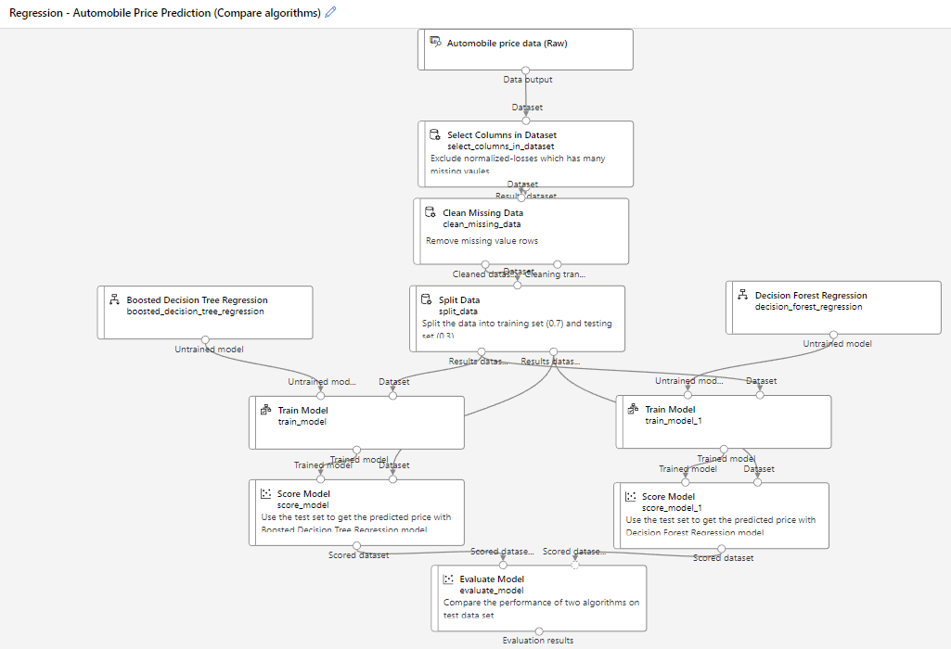
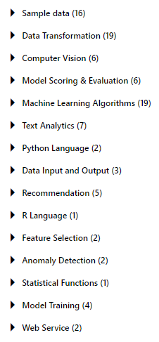
https://ml.azure.com/experiments/id/5b7c635f-8ccf-4d00-980a-ec8bd039e743/runs/3c2f08d0-1e9a-4a24-af07-92b54ccdd99e?wsid=/subscriptions/69403112-e3c9-442d-bcb4-283e32740268/resourceGroups/hamdiozc-rg/providers/Microsoft.MachineLearningServices/workspaces/HMD1&tid=bb921106-c510-4198-a2d7-c4509b08ed00# | https://gallery.azure.ai/Experiment/Multiclass-Classification-News-categorization-2
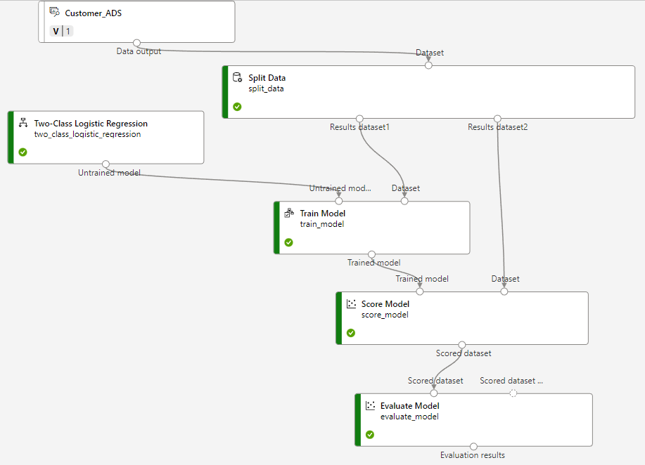
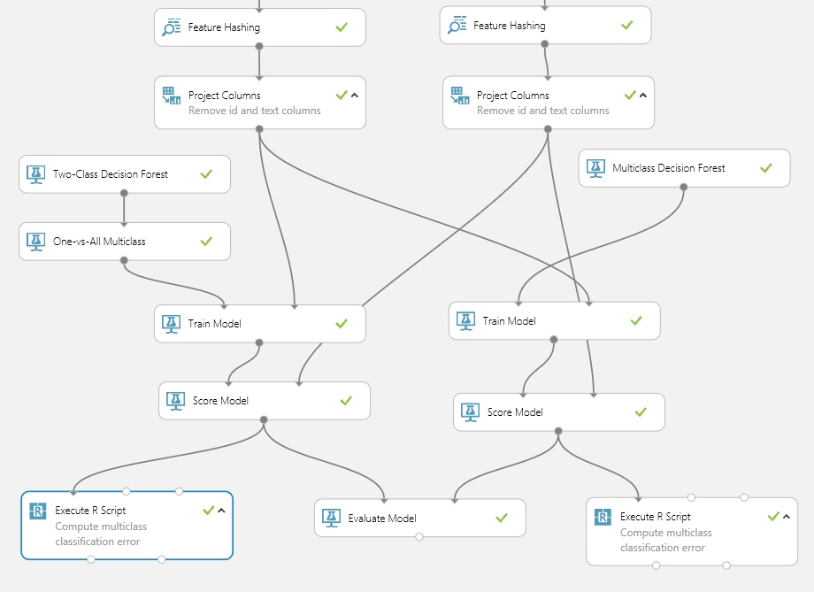

 | https://ml.azure.com/visualinterface/authoring/Normal/c52abdaf-2164-43af-b626-1eb60a120cbc?wsid=/subscriptions/69403112-e3c9-442d-bcb4-283e32740268/resourceGroups/hamdiozc-rg/providers/Microsoft.MachineLearningServices/workspaces/HMD1&tid=bb921106-c510-4198-a2d7-c4509b08ed00

KNIME Pipelines
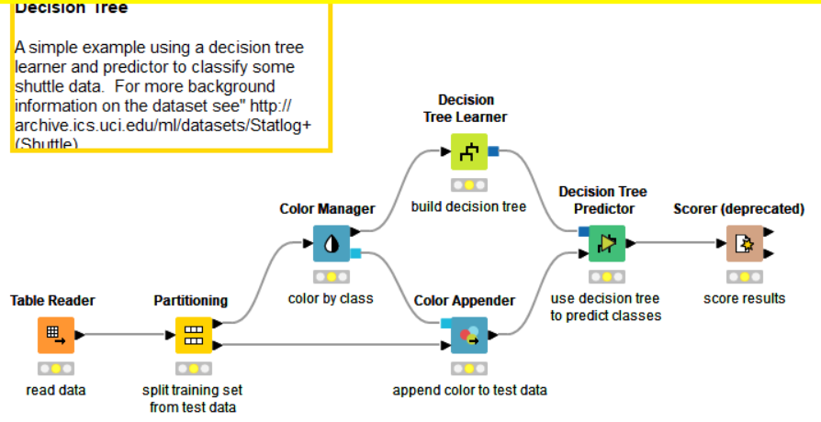
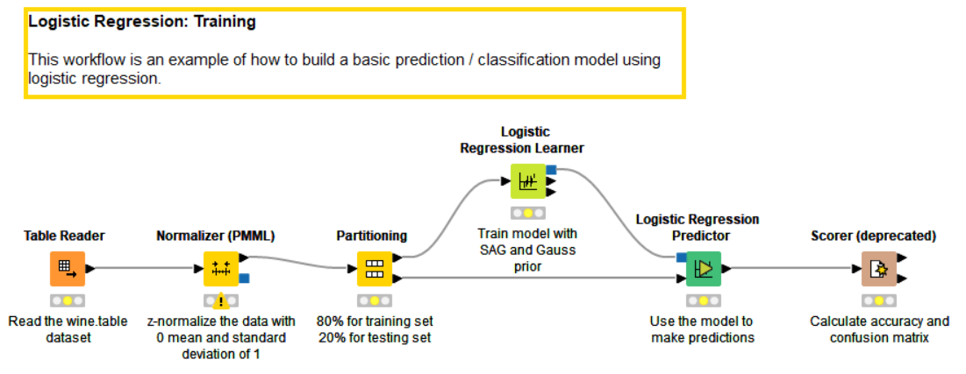

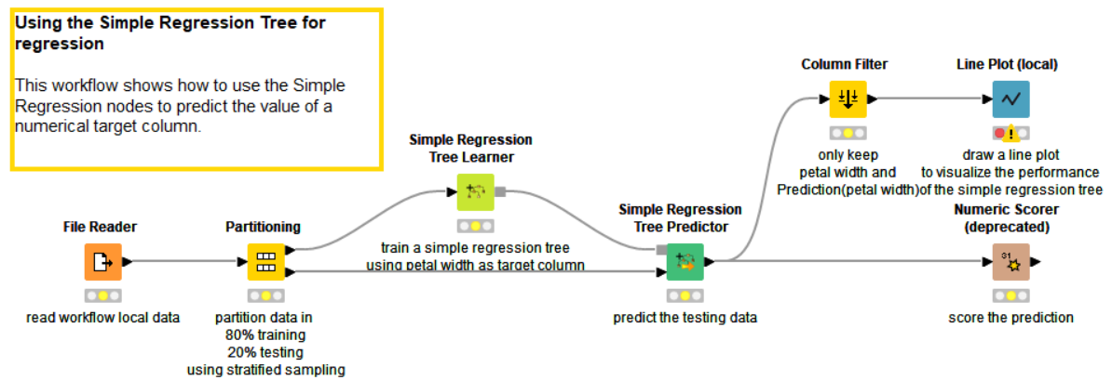

DWH örneği
